O1
Mitrovica A-D Camp
Block O1
 | Works Description | Unit | Quantity | Unit price | Total price
1 | Partition walls
 | Drawing 05
1.1 | Supply with material and construction of partition gypsum wall. Gypsum panels (one panel on each wall side) thickness 12.5mm +75mm+12.5mm) including support construction frame with metallic stud, patching , angle elements, mineral wool d=80mm between two panels, full filling of panel joins with "glet' in fiberglass plaster netting and preparing the wall for painting. In all for sides of the wall to be installed adequate acoustic tape Wall thickness =100mm. | m2 | 82.80 |  | 0.00€
 |  |  |  | Total: | 0.00€
2 | Roof & Ceiling Works
 | Drawing #06
2.1 | Dismantling of the existing old metal sheet cover of the roof and wooden purlins from entire building. Dismantled material to be disposed of by the contractor from the site. In the price to be calculated dismantle of gutters, save on site and reinstall the same again. | LS | 1.00 |  | 0.00€
2.1 | Supply with material and install metal purlins 80x40x2mm. ( see Dwg#06). Profiles to be primary paint 2x with antirust metal paint. | kg | 1409.76 |  | 0.00€
2.2 | Supply with material and install roof cover using trapezoid pre painted corrugated galvanized metal sheet with vapor barrier (see dwg#06), 0.55mm thick, TR 40/240, colour RAL 9002, including roofing ridge caps and snow guards. Slope surface calculated. | m2 | 347.00 |  | 0.00€
2.3 | Supply with material and install roof eaves (soffit all sides) Colour RAL 9002 . Roof eaves are to be covered with 0.50mm “Piano” pre painted galvanized metal sheet, as per technical specification. | m2 | 52.79 |  | 0.00€
2.4 | Supply with material and install roof - fascia. The roof fascia is to be covered with flat pre painted galvanized metal sheet 0.50mm thick. Colour RAL 9002 | m' | 77.00 |  | 0.00€
2.5 | Supply and install pre-painted "Piano" galvanized metal sheet roof edges/ A gable sides 0.50mm thickness (piano). Colour RAL 9002. | m2 | 37.20 |  | 0.00€
2.6 | Create an simple opening door in roof gable side, from existing metal sheet, dim. Of door 80x100cm, with haspes and hinges. ( see photo in dwg#06 as example) | EA | 1.00 |  | 0.00€
2.7 | Supply and install ventilation grills for the pitched roof, to be installed on both roof gable sides. | EA | 2.00 |  | 0.00€
2.8 | Dismantle of the existing suspending Armstrong ceiling from the first flor. Dismantled material to be disposed of by the contractor from the site. Light fixtures, fire alarms to be carefully dismantled, saved on side, and installed again in the new ceiling. | M2 | 55.00 |  | 0.00€
2.9 | Supply with material and installation of hanging mineral fibber "Armstrong" ceiling, dim of plates 60x60cm, white colored, with metal construction and final skirting profiles. | M2 | 55.00 |  | 0.00€
 |  |  |  | Total: | 0.00€

3 | Stairs
 | Drawing #07
3.1 | Dismantle existing wooden landing trade ( 22.5m2) from the existing emergency stairs (the structure to remain) Dismantled material to be transported to the city dump site. | 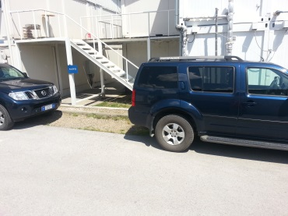 |  | 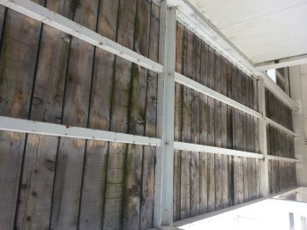
 |  | m2 | 23.50 |  | 0.00€
3.2 | Supply with material, the metal steel checkered plates 4+1mm, and weld in existing structure of the emergency stairs: • landing trade 22.50m2
 |  | kg | 810.00 |  | 0.00€
3.3 | Supply with material and paint the emergency metal stairs, new plates and existing structure 2x with off white oil paint, prior clean the rust from the profiles and paint 2x with primary antirust paint. | m2 | 75.00 |  | 0.00€
3.4 | Supply with material and paint the interior metal stairs complete with rails 2x with off white oil paint, prior clean the rust from the profiles and paint with primary antirust paint. | 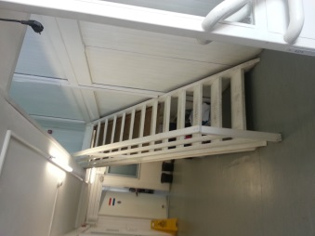 |  | 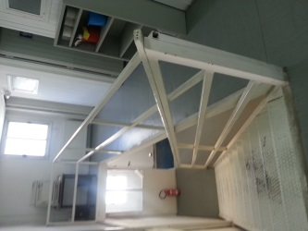
 |  | Ls | 1.00 |  | 0.00€
3.5 | Supply with material and concreting of the concrete step C30 with adequate frame works and10cm compacted layer of gravel under the step (emergency exit in Ground Floor) Dim 100x22.5x40cm | 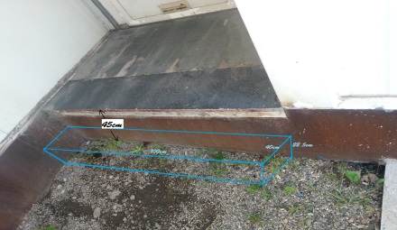
 |  | EA | 1.00 |  | 0.00€
 |  |  |  | Total: | 0.00€

4 | Exterior and Interior painting
4.1 | Provide material and paint exterior of the container block with 1x primer and 2x oil paint (spraying), color off white, prior cleaning the surface of dust/rust and any debris. Any corroded area is to be treated initially with anti rust paint. In the price to be calculated use of needed scaffoldings. | m2 | 380.00 |  | 0.00€
4.2 | Provide material and interior paint the walls and ceilings with 1x primer and 2x off white eco friendly water based paint. Paint is to be applied by spraying. Previously the surface is to be cleaned of dust and any debris. | m2 | 1533.00 |  | 0.00€
4.3 | Provide material and paint corner of showers in small containers l=900mm in both sides and height = 2000mm with oil paint 2x, (spraying) color off white, prior cleaning the surface of dust/rust and any debris. Any corroded area is to be treated initially with anti rust paint. | m2 | 28.80 |  | 0.00€
4.4 | Provide material and paint down part of partition gypsum walls in h +12cm with oil washable painting two layers. Paint to be fine, in strait line and uniformly in all length. | m1 | 72.00 |  | 0.00€
 |  |  |  | Total: | 0.00€
5 | Doors
 | Drawing #19
5.1 | Dismantling of the existing emergency exit doors from the ground and first floor. Dismantled doors to be to be transported to the city dump site. | Ea | 2.00 |  | 0.00€
5.2 | Provide and install metal solid door as emergency exit door, equipped with anti panic push bar, with handle and possibility to close with a key from outside. Measurements to be taken on the spot. dim 100/215cm | EA | 2.00 |  | 0.00€
5.3 | Provide and replace all door cyilinders (offices/rooms). New cyilinders should have minimum three keys, previously removal of existing ones | EA | 18 |  | 0.00€
 |  |  |  | Total: | 0.00€
6 | Electrical Works
 | Note: All provided materials must be ISO/CE certificated
6.1 | Supply with material and I install energy saving Led Street Lights for outdoor, IP65-watter proof, Input Voltage: AC85-265V 50/60Hz, including dark sensors 230V, 16A with IP65, together with bracket for street light ø40mm angle 110 degrees which need to be welded/screwed in the container. | EA | 2.00 |  | 0.00€
6.2 | Provide and install light fittings 4x18 Watt, 240V -50Hz , surface mounted with aluminum mirror. Lights fittings to be installed in corridor of the first floor, prior installation, the old fittings to be dismantled. | Ea | 7.00 |  | 0.00€
6.3 | Provide and install single phase light switches, surface mounted, in saparate offices/rooms. Price shall include all the cabling provision and installation , with the required fittings. Cables to be covered with PVC trunking. | Ea | 6.00 |  | 0.00€
 |  |  |  | Total: | 0.00€
7 | Plumbing
7.1 | Dismantling of existing shower booths from the small10' containers. Dismantled material to be transported to the city dump site. Prior to transportation clearance for the items to be taken from the EULEX Representative. | EA | 8.00 |  | 0.00€
7.2 | Provide and install new shower booths with square shower tray 900x900mm. In the price to be included removal of the water pipes for ~10cm in one side in order to fit the new shower both | EA | 8.00 |  | 0.00€
7.3 | Provide and install new floor Gully Drainage of stainless steel dim. 200x200mm with 50mm OD outlet, prior dismantle the old one and adjust the opening for the new gully. | EA | 8.00 |  | 0.00€
 |  |  |  | Total: | 0.00€

Block O1
1 | Partition walls |  |  | 0.00€
2 | Roof & Ceiling Works |  |  | 0.00€
3 | Stairs |  |  | 0.00€
4 | Exterior and Interior painting |  |  | 0.00€
5 | Doors |  |  | 0.00€
6 | Electrical Works |  |  | 0.00€
7 | Plumbing |  |  | 0.00€
 |  | Total: |  | 0.00€

R1
Mitrovica A-D Camp
Block R1
 | Works Description | Unit | Quantity | Unit price | Total price
1 | Partition walls
 | Drawing #09
1.1 | Supply with material and construction of partition gypsum wall. Gypsum panels (one panel on each wall side) thickness 12.5mm +75mm+12.5mm) including support construction frame with metallic stud, patching , angle elements, mineral wool d=80mm between t wo panels, full filling of panel joins with "glet' in fiberglass plaster netting and preparing the wall for painting. In all for sides of the wall to be installed adequate acoustic tape Wall thickness =100mm. | m2 | 151.80 |  | 0.00€
 |  |  |  | Total: | 0.00€
2 | Roof Works
 | Drawing #10
 | Dismantling of the existing old metal sheet cover of the roof and wooden purlins from entire building. Dismantled material to be disposed of by the contractor from the site. In the price to be calculated dismantle of gutters, save on site and reinstall the same again. | LS | 1.00 |  | 0.00€
2.1 | Supply with material and install metal purlins 80x40x2mm. ( see Dwg#10). Profiles to be primary paint 2x with antirust metal paint. | kg | 1267.30 |  | 0.00€
2.2 | Supply with material and install roof cover using trapezoid pre painted corrugated galvanized metal sheet with vapor barrier (see dwg#10), 0.55mm thick, TR 40/240, colour RAL 9002, including roofing ridge caps and snow guards. Slope surface calculated. | m2 | 330.00 |  | 0.00€
2.3 | Supply with material and install roof eaves (soffit all sides) Colour RAL 9002 . Roof eaves are to be covered with 0.50mm “Piano” pre painted galvanized metal sheet, as per technical specification. | m2 | 46.60 |  | 0.00€
2.4 | Supply with material and install roof - fascia. The roof fascia is to be covered with flat pre painted galvanized metal sheet 0.50mm thick. Colour RAL 9002 | m' | 90.04 |  | 0.00€
2.5 | Supply and install pre-painted "Piano" galvanized metal sheet roof edges/ A gable sides 0.50mm thickness (piano). Colour RAL 9002. | m2 | 50.20 |  | 0.00€
2.6 | Create an simple opening door in roof gable side, from existing metal sheet, dim. Of door 80x100cm, with haspes and hinges. ( see photo in dwg#06 as example) | EA | 1.00 |  | 0.00€
2.7 | Supply and install ventilation grills for the pitched roof, to be installed on both roof gable sides. | EA | 2.00 |  | 0.00€
 |  |  |  | Total: | 0.00€
3 | Stairs
3.1 | Dismantle existing metal plates-16Ea trades and 1Ea landing trade, from the existing emergency stairs (the structure to remain) Dismantled material to be transported to the city dump site. Prior to transportation clearance for the items to be taken from the EULEX Representative. |  | 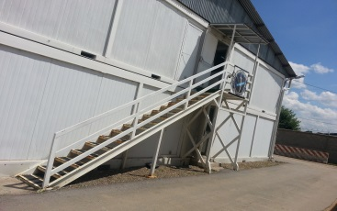
 |  | Ea | 17.00 |  | 0.00€
3.2 | Supply with material, the metal steel checkered plates 4+1mm, and weld in existing structure of the emergency stairs: • trades 16 Ea, 29 x81cm • landing trade 1 EA,160x94cm
 |  | kg | 192.90 |  | 0.00€
3.3 | Supply with material and paint the emergency metal stairs, new plates and existing structure 2x with off white oil paint, prior clean the rust from the profiles and paint 2x with primary antirust paint. | m2 | 45.00 |  | 0.00€
3.4 | Supply with material and caver the emergency exit of I-st floor with cover as per detailed dwg #17 | Ea | 1.00 |  | 0.00€
3.5 | Supply with material and paint the interior metal stairs complete with rails 2x with off white oil paint, prior clean the rust from the profiles and paint 2x with primary antirust paint.
 |  | Ls | 1.00 |  | 0.00€
3.6 | Supply with material and concreting of the entrance platform with reinforced concrete slab C30 with Q335, Ø8mm (150x150mm) with adequate frame works. In the price to be calculated demolition of existing wooden step. Dim 230x120x15cm | m3 | 0.40 |  | 0.00€
 |  |  |  | Total: | 0.00€
4 | Exterior and Interior painting
4.1 | Provide material and paint exterior of the container block with 1x primer and 2x oil paint (spraying), color off white, previously cleaning the surface of dust/rust and any debris. Any corroded area is to be treated initially with anti rust paint. In the price to be calculated use of needed scaffoldings. | m2 | 360.00 |  | 0.00€
4.2 | Provide material and interior paint the walls and ceilings with 1x primer and 2x off white eco friendly water based paint. Paint is to be applied by spraying. Previously the surface is to be cleaned of dust and any debris. | m2 | 1714.00 |  | 0.00€
4.3 | Provide material and paint corner of showers in small containers l=900mm in both sides and height = 2000mm with oil paint 2x, (spraying) color off white, previously cleaning the surface of dust/rust and any debris. Any corroded area is to be treated initially with anti rust paint. | m2 | 21.60 |  | 0.00€
4.4 | Provide material and paint down part of partition gypsum walls in h +12cm with oil washable painting two layers. Paint to be fine, in strait line and uniformly in all length. | m1 | 132.00 |  | 0.00€
 |  |  |  | Total: | 0.00€
5 | Doors
 | Drawing #18 & #19
5.1 | Dismantling of the existing entrance door and a part of panel wall to create an opening for the new entrance door from pos.5.2 Dismantled material to be transported to the city dump site. | Ea | 1.00 |  | 0.00€
5.1 | Provide and install the main entrance, two wing PVC door as per design provided (dwg.#18) , with thermoglass 4+16+4mm. Door is to be equipped with door cylinder lock and door closer. Measurements to be taken on the spot. Dim 200/210cm | Ea | 1.00 |  | 0.00€
5.1 | Dismantling of the existing emergency exit doors from the ground and first floor. Dismantled doors to be to be transported to the city dump site. | Ea | 2.00 |  | 0.00€
5.2 | Provide and install metal solid door as emergency exit door, equipped with anti panic push bar, with handle and possibility to close with a key from outside. Measurements to be taken on the spot. dim 100/215cm (dwg #19) | EA | 2.00 |  | 0.00€
 |  |  |  | Total: | 0.00€
6 | Electrical Works
 | Note: All provided materials must be ISO/CE certificated
6.1 | Supply with material and I install energy saving Led Street Lights for outdoor, IP65-watter proof, Input Voltage: AC85-265V 50/60Hz, including dark sensors 230V, 16A with IP65, together with bracket for street light ø40mm angle 110 degrees which need to be welded/screwed in the container. | EA | 2.00 |  | 0.00€
6.2 | Provide and install single phase light switches, surface mounted, in saparate offices/rooms. Price shall include all the cabling provision and installation , with the required fittings. Cables to be covered with PVC trunking. | Ea | 11.00 |  | 0.00€
 |  |  |  | Total: | 0.00€
7 | Plumbing
7.1 | Dismantle of existing shower booths from the small10' containers. Dismantled material to be transported to the city dump site. Prior to transportation clearance for the items to be taken from the EULEX Representative. | EA | 6.00 |  | 0.00€
7.2 | Provide and install new shower booths with square shower tray 900x900mm. In the price to be included removal of the water pipes for ~10cm in one side in order to fit the new shower booth | EA | 6.00 |  | 0.00€
7.3 | Provide and install new floor Gully Drainage of stainless steel dim. 200x200mm with 50mm OD outlet, prior dismantle the old one and adjust the opening for the new gully. | EA | 8.00 |  | 0.00€
 |  |  |  | Total: | 0.00€

Block R1
1 | Partition walls |  |  | 0.00€
2 | Roof Works |  |  | 0.00€
3 | Stairs |  |  | 0.00€
4 | Exterior and Interior painting |  |  | 0.00€
5 | Doors |  |  | 0.00€
6 | Electrical Works |  |  | 0.00€
7 | Plumbing |  |  | 0.00€
 |  | Total: |  | 0.00€

R2
Mitrovica A-D Camp
Block R2
 | Works Description | Unit | Quantity | Unit price | Total price
1 | Partition walls
 | Drawing #12
1.7 | Supply with material and construction of partition gypsum wall. Gypsum panels (one panel on each wall side) thickness 12.5mm +75mm+12.5mm) including support construction frame with metallic stud, patching , angle elements, mineral wool d=80mm between t wo panels, full filling of panel joins with "glet' in fiberglass plaster netting and preparing the wall for painting. In all for sides of the wall to be installed adequate acoustic tape Wall thickness =100mm. | m2 | 151.80 |  | 0.00€
 |  |  |  | Total: | 0.00€
2 | Roof Works
 | Drawing #13
 | Dismantling of the existing old metal sheet cover of the roof and wooden purlins from entire building. Dismantled material to be disposed of by the contractor from the sit. In the price to be calculated dismantle of gutters, save on site and reinstall the same again. | LS | 1.00 |  | 0.00€
2.1 | Supply with material and install metal purlins 80x40x2mm. ( see Dwg#13). Profiles to be primary paint 2x with antirust metal paint. | kg | 1267.30 |  | 0.00€
2.2 | Supply with material and install roof cover using trapezoid pre painted corrugated galvanized metal sheet with vapor barrier 0.55mm thick, TR 40/240, colour RAL 9002, including roofing ridge caps and snow guards. Slope surface calculated. | m2 | 330.00 |  | 0.00€
2.3 | Supply with material and install roof eaves (soffit all sides) Colour RAL 9002 . Roof eaves are to be covered with 0.50mm “Piano” pre painted galvanized metal sheet, as per technical specification. | m2 | 46.60 |  | 0.00€
2.4 | Supply with material and install roof - fascia. The roof fascia is to be covered with flat pre painted galvanized metal sheet 0.50mm thick. Color RAL 9002 | m' | 90.04 |  | 0.00€
2.5 | Supply and install pre-painted "Piano" galvanized metal sheet roof edges/ A gable sides 0.50mm thickness (piano). Color RAL 9002. | m2 | 50.20 |  | 0.00€
2.6 | Create an simple opening door in roof gable side, from existing metal sheet, dim. Of door 80x100cm, with haspes and hinges. ( see photo in dwg#06 as example) | EA | 1.00 |  | 0.00€
2.7 | Supply and install ventilation grills for the pitched roof, to be installed on both roof gable sides. | EA | 2.00 |  | 0.00€
 |  |  |  | Total: | 0.00€
3 | Stairs
3.1 | Dismantling of existing metal plates-16 Ea trades and 1Ea landing trade, from the existing emergency stairs (the structure to remain) Dismantled material to be transported to the city dump site. Prior to transportation clearance for the items to be taken from the EULEX Representative. | 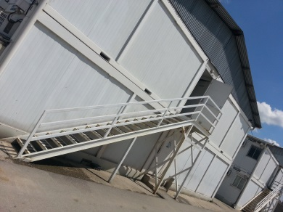
 |  | Ea | 17.00 |  | 0.00€
3.2 | Supply with material, the metal steel checkered plates 4+1mm, and weld in existing structure of the emergency stairs: • trades 16 Ea, 29 x81cm • landing trade 1 EA,160x94cm
 |  | kg | 192.90 |  | 0.00€
3.3 | Supply with material and paint the emergency metal stairs, new plates and existing structure 2x with off white oil paint, prior clean the rust from the profiles and paint 2x with primary antirust paint. | m2 | 45.00 |  | 0.00€
3.4 | Supply with material and caver the emergency exit of I-st floor with cover as per detailed dwg #17 | Ea | 1.00 |  | 0.00€
3.5 | Supply with material and paint the interior metal stairs complete with rails 2x with off white oil paint, prior clean the rust from the profiles and paint 2x with primary antirust paint. | 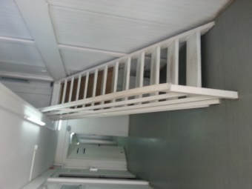 |  | 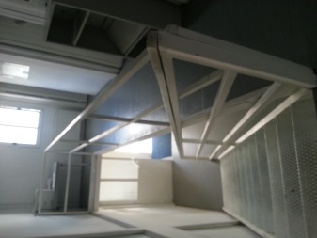
 |  | Ls | 1.00 |  | 0.00€
3.6 | Supply with material and concreting of the entrance platform with reinforced concrete slab C30 with Q335, Ø8mm (150x150mm) with adequate frame works. In the price to be calculated demolition of existing wooden step. Dim 230x120x15cm | m3 | 0.40 |  | 0.00€
 |  |  |  | Total: | 0.00€
4 | Exterior and Interior painting
4.1 | Provide material and paint exterior of the container block with 1x primer and 2x oil paint (spraying), color off white, previosly cleaning the surface of dust/rust and any debris. Any corroded area is to be treated initially with anti rust paint. In the price to be calculated use of needed scaffoldings. | m2 | 360.00 |  | 0.00€
4.2 | Provide material and interior paint the walls and ceilings with 1x primer and 2x off white eco friendly water based paint. Paint is to be applied by spraying. Previosly the surface is to be cleaned of dust and any debris. | m2 | 1714.00 |  | 0.00€
4.3 | Provide material and paint corner of showers in small containers l=900mm in both sides and high = 2000mm with oil paint 2x, (spraying) color off white, prior cleaning the surface of dust/rust and any debris. Any corroded area is to be treated initially with anti rust paint. | m2 | 21.60 |  | 0.00€
4.4 | Provide material and paint down part of partition gypsum walls in h +12cm with oil washable painting two layers. Paint to be fine, in strait line and uniformly. | m1 | 132.00 |  | 0.00€
 |  |  |  | Total: | 0.00€
5 | Doors
 | Drawing #18 & #19
5.1 | Dismantling of the existing entrance door and a part of panel wall to create an opening for the new entrance door from pos.5.2 Dismantled material to be transported to the city dump site. | Ea | 1.00 |  | 0.00€
5.1 | Provide and install the main entrance, two wing PVC door as per design provided (dwg.18) , with thermoglass 4+16+4mm. Door is to be equipped with door cylinder lock and door closer. Measurements to be taken on the spot. Dim 200/210cm | Ea | 1.00 |  | 0.00€
5.1 | Dismantling of the existing emergency exit doors from the ground and first floor. Dismantled doors to be to be transported to the city dump site. | Ea | 2.00 |  | 0.00€
5.2 | Provide and install metal solid door as emergency exit door, equipped with anti panic push bar, with handle and possibility to close with a key from outside. Measurements to be taken on the spot. dim 100/215cm (dwg 19) | EA | 2.00 |  | 0.00€
 |  |  |  | Total: | 0.00€

6 | Electrical Works
 | Note: All provided materials must be ISO/CE certificated
6.1 | Supply with material and I install energy saving Led Street Lights for outdoor, IP65-watter proof, Input Voltage: AC85-265V 50/60Hz, including dark sensors 230V, 16A with IP65, together with bracket for street light ø40mm angle 110 degrees which need to be welded/screwed in the container. | EA | 2.00 |  | 0.00€
6.2 | Supply and install in toilets floroscent light fittings 2x36W - IP65, water proof, polycarbonate lents and base 240Volt, 50Hz with daylight lamps. | EA | 3.00 |  | 0.00€
6.2 | Provide and install single phase light switches, surface mounted, in saparate offices/rooms. Price shall include all the cabling provision and installation , with the required fittings. Cables to be covered with PVC trunking. | Ea | 11.00 |  | 0.00€
 |  |  |  | Total: | 0.00€
7 | Plumbing
7.1 | Dismantle of existing shower booths from the small10' abl. containers. Dismantled material to be transported to the city dump site. Prior to transportation clearance for the items to be taken from the EULEX Representative. | EA | 6.00 |  | 0.00€
7.2 | Provide and install new shower booths with square shower tray 900x900mm. In the price to be included removal of the water pipes for ~10cm in one side in order to fit the new shower booth | EA | 6.00 |  | 0.00€
7.3 | Provide and install the shower base dim 90x75cm with water drain in front part, from the big ablution unit, prior dismantle the old cracked one. | EA | 1.00 |  | 0.00€
7.4 | Provide and install new floor Gully Drainage of stainless steel dim. 200x200mm with 50mm OD outlet, prior dismantle the old one and adjust the opening for new gully. | EA | 8.00 |  | 0.00€
 |  |  |  | Total: | 0.00€

Block R2
1 | Partition walls |  |  | 0.00€
2 | Roof Works |  |  | 0.00€
3 | Stairs |  |  | 0.00€
4 | Exterior and Interior painting |  |  | 0.00€
5 | Doors |  |  | 0.00€
6 | Electrical Works |  |  | 0.00€
7 | Plumbing |  |  | 0.00€
 |  | Total: |  | 0.00€

R3
Mitrovica A-D Camp
Block R3
 | Works Description | Unit | Quantity | Unit price | Total price
1 | Partition walls
 | Drawing #15
1.7 | Supply with material and construction of partition gypsum wall. Gypsum panels (one panel on each wall side) thickness 12.5mm +75mm+12.5mm) including support construction frame with metallic stud, patching , angle elements, mineral wool d=80mm between t wo panels, full filling of panel joins with "glet' in fiberglass plaster netting and preparing the wall for painting. In all for sides of the wall to be installed adequate acoustic tape Wall thickness =100mm. | m2 | 138.00 |  | 0.00€
 |  |  |  | Total: | 0.00€
2 | Roof Works
 | Drawing #16
2.1 | Dismantling of the existing old metal sheet cover of the roof and wooden purlins from entire building. Dismantled material to be disposed of by the contractor from the site. In the price to be calculated dismantle of gutters, save on site and reinstall the same again. | LS | 1.00 |  | 0.00€
2.2 | Supply with material and install metal purlins 80x40x2mm. ( see Dwg#16). Profiles to be primary paint 2x with antirust metal paint. | kg | 989.39 |  | 0.00€
2.3 | Supply with material and install roof cover using trapezoid pre painted corrugated galvanized metal sheet with vapor barrier 0.55mm thick, TR 40/240, colour RAL 9002, including roofing ridge caps and snow guards. Slope surface calculated. | m2 | 267.00 |  | 0.00€
2.4 | Supply with material and install roof eaves (soffit all sides) Colour RAL 9002 . Roof eaves are to be covered with 0.50mm “Piano” pre painted galvanized metal sheet, as per technical specification. | m2 | 52.42 |  | 0.00€
2.5 | Supply with material and install roof - fascia. The roof fascia is to be covered with flat pre painted galvanized metal sheet 0.50mm thick. Colour RAL 9002 | m' | 74.10 |  | 0.00€
2.6 | Supply and install pre-painted "Piano" galvanized metal sheet roof edges/ A gable sides 0.50mm thickness (piano). Colour RAL 9002. | m2 | 39.20 |  | 0.00€
2.7 | Create an simple opening door in roof gable side, from existing metal sheet, dim. Of door 80x100cm, with hasps and hinges. ( see photo in dwg#06 as example) | EA | 1.00 |  | 0.00€
2.8 | Supply and install ventilation grills for the pitched roof, to be installed on both roof gable sides. | EA | 2.00 |  | 0.00€
 |  |  |  | Total: | 0.00€
3 | Flooring Works
 | Drawing #15
3.1 | Demolition of the existing floor layers from I-st floor corridor (linoleum + plywood) Price should include transportation of debris to the city dump site. Works are to be done carefully as the gypsum ceiling of the ground floor should remain. | m2 | 30.00 |  | 0.00€
3.2 | Demolition of the existing flooring layers from the small ablution units #15 (linoleum + plywood and insulation) Price should include transportation of debris to the city dump site. | m2 | 11.50 |  | 0.00€
3.3 | Provide material and place 100mm mineral wool insulation throughout the ablution unit floors | m2 | 11.50 |  | 0.00€
3.4 | Provide material and install plastic sheet 0.2mm all over the office flooring and ablution unit flooring | m2 | 11.50 |  | 0.00€
3.5 | Provide material and install 20mm thick plywood flooring throughout the I-st floor corridor | m2 | 30.00 |  | 0.00€
3.6 | Provide and install 20mm thick waterproof plywood flooring for the ablution units | m2 | 11.50 |  | 0.00€
3.7 | Provide material and install final coat flexible vinyl/linoleum, through the floor of the I-st floor corridor and t=2mm, including flooring of the refurbished ablution units where the linoleum is to be 20cm height up to the wall. Linoleum is to be welded & glued with proper adhesive. Skirtings all around the perimeter of the surface is to be included in the price. Color to be chosen by EULEX Representative. Linoleum 2.0mm thick, commercial use, EN 649, classification as per EN 685 Class 33, areas with heavy traffic. | m2 | 100.00 |  | 0.00€
 |  |  |  | Total: | 0.00€
4 | Stairs
4.1 | Dismantle existing metal plates-16 Ea trades and 1Ea landing trade, from the existing emergency stairs (the structure to remain) Dismantled material to be transported to the city dump site. Prior to transportation clearance for the items to be taken from the EULEX Representative. | 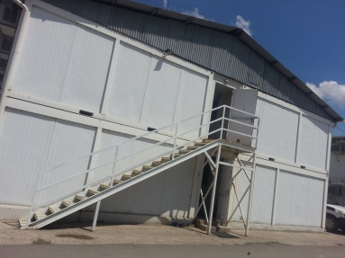
 |  | Ea | 17.00 |  | 0.00€
4.2 | Supply with material, the metal steel checkered plates 4+1mm, and weld in existing structure of the emergency stairs: • trades 16 Ea, 29 x81cm • landing trade 1 EA,160x94cm
 |  | kg | 192.90 |  | 0.00€
4.3 | Supply with material and paint the emergency metal stairs, new plates and existing structure 2x with off white oil paint, prior clean the rust from the profiles and paint 2x with primary antirust paint. | m2 | 45.00 |  | 0.00€
4.4 | Supply with material and caver the emergency exit of I-st floor with cover as per detailed dwg #17 | Ea | 1.00 |  | 0.00€
4.5 | Supply with material and paint the interior metal stairs complete with rails 2x with off white oil paint, prior clean the rust from the profiles and paint 2x with primary antirust paint. | 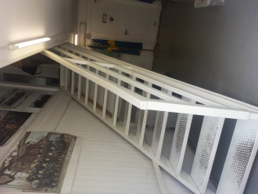 |  | 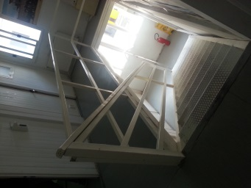
 |  | Ls | 1.00 |  | 0.00€
 |  |  |  | Total: | 0.00€
5 | Exterior and Interior painting
5.1 | Provide material and paint exterior of the container block with 1x primer and 2x oil paint (spraying), color off white, previously cleaning the surface of dust/rust and any debris. Any corroded area is to be treated initially with anti rust paint. In the price to be calculated use of needed scaffoldings. | m2 | 310.00 |  | 0.00€
5.2 | Provide material and interior paint the walls and ceilings with 1x primer and 2x off white eco friendly water based paint. Paint is to be applied by spraying. Previously the surface is to be cleaned of dust and any debris. | m2 | 1400.00 |  | 0.00€
5.3 | Provide material and paint corner of showers in small containers l=900mm in both sides and height = 2000mm with oil paint 2x, (spraying) color off white, previously cleaning the surface of dust/rust and any debris. Any corroded area is to be treated initially with anti rust paint. | m2 | 21.60 |  | 0.00€
5.4 | Provide material and paint down part of partition gypsum walls in h 12cm with oil washable painting two layers. Paint to be fine, in strait line and uniformly in all length. | m1 | 120.00 |  | 0.00€
 |  |  |  | Total: | 0.00€
6 | Doors
 | Drawing #19
6.1 | Dismantling of the existing emergency exit doors from the ground and first floor. Dismantled doors to be to be transported to the city dump site. | Ea | 2.00 |  | 0.00€
6.2 | Provide and install metal solid door as emergency exit door, equipped with anti panic push bar, with handle and possibility to close with a key from outside. Measurements to be taken on the spot. dim 100/215cm (dwg 19) | EA | 2.00 |  | 0.00€
 |  |  |  | Total: | 0.00€
4 | Electrical Works
 | Note: All provided materials must be ISO/CE certificated
7.1 | Supply with material and I install energy saving Led Street Lights for outdoor, IP65-watter proof, Input Voltage: AC85-265V 50/60Hz, including dark sensors 230V, 16A with IP65, together with bracket for street light ø40mm angle 110 degrees which need to be welded/screwed in the container. | EA | 2.00 |  | 0.00€
6.2 | Provide and install single phase light switches, surface mounted, in saparate offices/rooms. Price shall include all the cabling provision and installation , with the required fittings. Cables to be covered with PVC trunking. | Ea | 10.00 |  | 0.00€
 |  |  |  | Total: | 0.00€
8 | Plumbing
 | Dismantling of the wc and sink from toilets # 15 , save on site, and install again after the completion of flooring works. | EA | 4.00 |  | 0.00€
8.1 | Dismantle of existing shower booths from the small10' containers. Dismantled material to be transported to the city dump site. Prior to transportation clearance for the items to be taken from the EULEX Representative. | EA | 6.00 |  | 0.00€
8.2 | Provide and install new shower booths with square shower tray 900x900mm. In the price to be included removal of the water pipes for ~10cm in one side in order to fit the new shower booth | EA | 6.00 |  | 0.00€
8.3 | Provide and install new floor Gully Drainage of stainless steel dim. 200x200mm with 50mm OD outlet, prior dismantle the old one and adjust the opening for new gully. | EA | 6.00 |  | 0.00€
 |  |  |  | Total: | 0.00€

Block R3
1 | Partition walls |  |  | 0.00€
2 | Roof Works |  |  | 0.00€
3 | Flooring Works |  |  | 0.00€
4 | Stairs |  |  | 0.00€
5 | Exterior and Interior painting |  |  | 0.00€
6 | Doors |  |  | 0.00€
7 | Electrical Works |  |  | 0.00€
8 | Plumbing |  |  | 0.00€
 |  | Total: |  | 0.00€

